Лист1
 |  | ERROR(Vw_tk) |  | ERROR(avoid)
 |  | 13.223140496 |  | 0.60392551586

 | Vw_in_tank | Vtank_calk | Ptk | pls | Pprev | consume/10
0 | 0 | 9 | 2 |  | 2 | 2
0.1 | 0.058333333333 | 9 | 2.0065025546 | 0 | 2 | 2
0.2 | 0.11666666667 | 9 | 2.0130475303 | 0 | 2 | 2
0.3 | 0.175 | 9 | 2.0196353436 | 0 | 2 | 2
0.4 | 0.23333333333 | 9 | 2.0262664165 | 0 | 2 | 2
0.5 | 0.29166666667 | 9 | 2.0329411765 | 0 | 2 | 2
0.6 | 0.35 | 9 | 2.0396600567 | 0 | 2 | 2
0.7 | 0.40833333333 | 9 | 2.046423496 | 0 | 2 | 2
0.8 | 0.46666666667 | 9 | 2.0532319392 | 0 | 2 | 2
0.9 | 0.525 | 9 | 2.0600858369 | 0 | 2 | 2
1 | 0.58333333333 | 9 | 2.0669856459 | 0 | 2 | 2
1.1 | 0.64166666667 | 9 | 2.0739318291 | 0 | 2 | 2
1.2 | 0.7 | 9 | 2.0809248555 | 0 | 2 | 2
1.3 | 0.75833333333 | 9 | 2.0879652006 | 0 | 2 | 2
1.4 | 0.81666666667 | 9 | 2.0950533463 | 0 | 2 | 2
1.5 | 0.875 | 9 | 2.102189781 | 0 | 2 | 2
1.6 | 0.93333333333 | 9 | 2.109375 | 0 | 2 | 2
1.7 | 0.99166666667 | 9 | 2.1166095051 | 0 | 2 | 2
1.8 | 1.05 | 9 | 2.1238938053 | 0 | 2 | 2
1.9 | 1.1083333333 | 9 | 2.1312284164 | 0 | 2 | 2
2 | 1.1666666667 | 9 | 2.1386138614 | 0 | 2 | 2
2.1 | 1.225 | 9 | 2.1460506706 | 0 | 2 | 2
2.2 | 1.2833333333 | 9 | 2.1535393819 | 0 | 2 | 2
2.3 | 1.3416666667 | 9 | 2.1610805403 | 0 | 2 | 2
2.4 | 1.4 | 9 | 2.1686746988 | 0 | 2 | 2
2.5 | 1.4583333333 | 9 | 2.1763224181 | 0 | 2 | 2
2.6 | 1.5166666667 | 9 | 2.1840242669 | 0 | 2 | 2
2.7 | 1.575 | 9 | 2.1917808219 | 0 | 2 | 2
2.8 | 1.6333333333 | 9 | 2.199592668 | 0 | 2 | 2
2.9 | 1.6916666667 | 9 | 2.2074603986 | 0 | 2 | 2
3 | 1.75 | 9 | 2.2153846154 | 0 | 2 | 2
3.1 | 1.8083333333 | 9 | 2.223365929 | 0 | 2 | 2
3.2 | 1.8666666667 | 9 | 2.2314049587 | 0 | 2 | 2
3.3 | 1.925 | 9 | 2.2395023328 | 0 | 2 | 2
3.4 | 1.9833333333 | 9 | 2.2476586889 | 0 | 2 | 2
3.5 | 2.0416666667 | 9 | 2.2558746736 | 0 | 2 | 2
3.6 | 2.1 | 9 | 2.2641509434 | 0 | 2 | 2
3.7 | 2.1583333333 | 9 | 2.2724881641 | 0 | 2 | 2
3.8 | 2.2166666667 | 9 | 2.2808870116 | 0 | 2 | 2
3.9 | 2.275 | 9 | 2.2893481717 | 0 | 2 | 2
4 | 2.3333333333 | 9 | 2.2978723404 | 0 | 2 | 2
4.1 | 2.3916666667 | 9 | 2.3064602242 | 0 | 2 | 2
4.2 | 2.45 | 9 | 2.3151125402 | 0 | 2 | 2
4.3 | 2.5083333333 | 9 | 2.3238300161 | 0 | 2 | 2
4.4 | 2.5666666667 | 9 | 2.3326133909 | 0 | 2 | 2
4.5 | 2.625 | 9 | 2.3414634146 | 0 | 2 | 2
4.6 | 2.6833333333 | 9 | 2.3503808487 | 0 | 2 | 2
4.7 | 2.7416666667 | 9 | 2.3593664664 | 0 | 2 | 2
4.8 | 2.8 | 9 | 2.3684210526 | 0 | 2 | 2
4.9 | 2.8583333333 | 9 | 2.3775454045 | 0 | 2 | 2
...
Vwt_calk | Vwt_calk_evoid | err | err_abs | DELTA_Pprev | err_abs_avoid
9 | 9 | 0 | 0 | 0 | 0
9 | 9 | 0 | 0 | 0 | 0
9 | 9 | 0 | 0 | 0 | 0
9 | 9 | 0 | 0 | 0 | 0
9 | 9 | 0 | 0 | 0 | 0
9 | 9 | 0 | 0 | 0 | 0
9 | 9 | 0 | 0 | 0 | 0
9 | 9 | 0 | 0 | 0 | 0
9 | 9 | 0 | 0 | 0 | 0
9 | 9 | 0 | 0 | 0 | 0
9 | 9 | 0 | 0 | 0 | 0
9 | 9 | 0 | 0 | 0 | 0
9 | 9 | 0 | 0 | 0 | 0
9 | 9 | 0 | 0 | 0 | 0
9 | 9 | 0 | 0 | 0 | 0
9 | 9 | 0 | 0 | 0 | 0
9 | 9 | 0 | 0 | 0 | 0
9 | 9 | 0 | 0 | 0 | 0
9 | 9 | 0 | 0 | 0 | 0
9 | 9 | 0 | 0 | 0 | 0
9 | 9 | 0 | 0 | 0 | 0
9 | 9 | 0 | 0 | 0 | 0
9 | 9 | 0 | 0 | 0 | 0
9 | 9 | 0 | 0 | 0 | 0
 | delta_prev | Pprev | error w/ avoid | err
0 | 0 | 2 | 0 | 0
0.1 | 0 | 2 | 0 | 0
0.2 | 0 | 2 | 0 | 0
0.3 | 0 | 2 | 0 | 0
0.4 | 0 | 2 | 0 | 0
0.5 | 0 | 2 | 0 | 0
0.6 | 0 | 2 | 0 | 0
0.7 | 0 | 2 | 0 | 0
0.8 | 0 | 2 | 0 | 0
0.9 | 0 | 2 | 0 | 0
1 | 0 | 2 | 0 | 0
1.1 | 0 | 2 | 0 | 0
1.2 | 0 | 2 | 0 | 0
1.3 | 0 | 2 | 0 | 0
1.4 | 0 | 2 | 0 | 0
1.5 | 0 | 2 | 0 | 0
1.6 | 0 | 2 | 0 | 0
1.7 | 0 | 2 | 0 | 0
1.8 | 0 | 2 | 0 | 0
1.9 | 0 | 2 | 0 | 0
2 | 0 | 2 | 0 | 0
2.1 | 0 | 2 | 0 | 0
2.2 | 0 | 2 | 0 | 0
2.3 | 0 | 2 | 0 | 0
2.4 | 0 | 2 | 0 | 0
2.5 | 0 | 2 | 0 | 0
2.6 | 0 | 2 | 0 | 0
2.7 | 0 | 2 | 0 | 0
2.8 | 0 | 2 | 0 | 0
2.9 | 0 | 2 | 0 | 0
3 | 0 | 2 | 0 | 0
3.1 | 0 | 2 | 0 | 0
3.2 | 0 | 2 | 0 | 0
3.3 | 0 | 2 | 0 | 0
3.4 | 0 | 2 | 0 | 0
3.5 | 0 | 2 | 0 | 0
3.6 | 0 | 2 | 0 | 0
3.7 | 0 | 2 | 0 | 0
3.8 | 0 | 2 | 0 | 0
3.9 | 0 | 2 | 0 | 0
4 | 0 | 2 | 0 | 0
4.1 | 0 | 2 | 0 | 0
4.2 | 0 | 2 | 0 | 0
4.3 | 0 | 2 | 0 | 0
4.4 | 0 | 2 | 0 | 0
4.5 | 0 | 2 | 0 | 0
4.6 | 0 | 2 | 0 | 0
4.7 | 0 | 2 | 0 | 0
4.8 | 0 | 2 | 0 | 0
4.9 | 0 | 2 | 0 | 0
...
9 | 9 | 0 | 0 | 0 | 0
9 | 9 | 0 | 0 | 0 | 0
9 | 9 | 0 | 0 | 0 | 0
9 | 9 | 0 | 0 | 0 | 0
9 | 9 | 0 | 0 | 0 | 0
9 | 9 | 0 | 0 | 0 | 0
9 | 9 | 0 | 0 | 0 | 0
9 | 9 | 0 | 0 | 0 | 0
9 | 9 | 0 | 0 | 0 | 0
9 | 9 | 0 | 0 | 0 | 0
9 | 9 | 0 | 0 | 0 | 0
9 | 9 | 0 | 0 | 0 | 0
9 | 9 | 0 | 0 | 0 | 0
9 | 9 | 0 | 0 | 0 | 0
9 | 9 | 0 | 0 | 0 | 0
9 | 9 | 0 | 0 | 0 | 0
9 | 9 | 0 | 0 | 0 | 0
9 | 9 | 0 | 0 | 0 | 0
9 | 9 | 0 | 0 | 0 | 0
9 | 9 | 0 | 0 | 0 | 0
9 | 9 | 0 | 0 | 0 | 0
9 | 9 | 0 | 0 | 0 | 0
9 | 9 | 0 | 0 | 0 | 0
9 | 9 | 0 | 0 | 0 | 0
9 | 9 | 0 | 0 | 0 | 0
9 | 9 | 0 | 0 | 0 | 0
...

Лист3
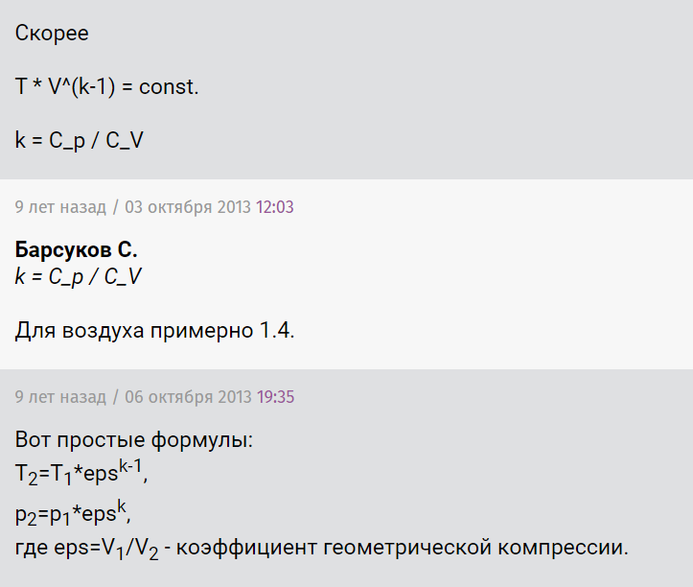
kCp_Cv
1.4

 | isotermic
 | Vend_iso
 | 11.25

 | dVwater_iso
 | 8.75
...
 |  | p2*V2^k=p1*V1^k | ->' | V1/V2=(p2/p1)^(1/k)
 |  | T2*V2^(k-1)=T1*V1^(k-1)

